network from inputs to outputs
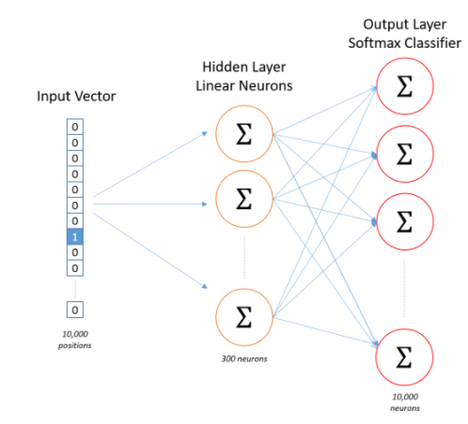
Vectorizing inputs |  |  |  |  | Output vector

0 | 1 | 1 | 1 | 0 | 1 | 0 | 0 | 0 | 0
1 | 0 | 1 | 1 | 0 | 0 | 1 | 0 | 0 | 0
1 | 1 | 0 | 1 | 0 | 0 | 0 | 1 | 0 | 0
1 | 1 | 1 | 0 | 0 | 0 | 0 | 0 | 1 | 0
0 | 0 | 1 | 1 | 1 | 1 | 0 | 0 | 0 | 0
1 | 0 | 1 | 1 | 0 | 0 | 0 | 0 | 0 | 1 |  | Size
1 | 0 | 0 | 1 | 1 | 0 | 0 | 1 | 0 | 0
1 | 0 | 1 | 0 | 1 | 0 | 0 | 0 | 1 | 0 | Input layer size | 8 X 5

 |  |  |  |  |  |  |  |  |  | Hidden layer (vector dimension) | 5 X3

 |  |  |  |  |  |  |  |  |  | Output of hidden layer | 8 X 3

 |  |  |  |  |  |  |  |  |  | Weights from hidden to output | 3 X 5

 |  |  |  |  |  |  |  |  |  | Output layer | 8 X 5

